PO CONFIRMED
PURCHASE ORDER |  |  |  |  |  |  |  |  | PT. LARA THALIA ABADI
PO NO | : |  |  |  |  |  |  |  | EVERBEST TOWER - CENGKARENG BUSINESS CITY TOWER M
 |  |  |  | TRACCE |  |  |  |  | Jl. Atang Sanjaya no. 21 Benda - Tangerang Banten, Indonesia
DATE |  |  |  |  |  |  |  |  | PHONE : 021 - 2252 9090
TO | : EDE |  |  |  |  |  |  |  | E-MAIL ADDRESS : buyer@everbestgroup.com

DESCRIPTION | SUPPLIER CODE | LTA ARTICLE | CODE SE CA | COLOUR | 颜色 |  |  |  |  |  | QTY | COST | AMOUNT

 | 厂编号 | 我司鞋编号 |  |  |  |  |  |  |  |  | 数量 | US$ | US$
 |  |  |  |  | AS SAMPLE | HANDBAGS | FREE SIZE |  |  |  |  |  | 0.00
 |  |  |  |  | AS SAMPLE |  |  |  |  |  |  |  | 0.00

 |  |  |  |  |  |  |  |  |  |  | 0 |  | 0.00

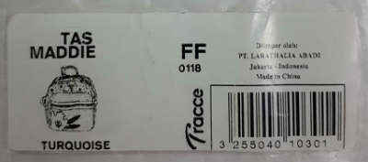
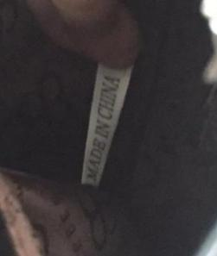
Delivery Date |  |  | BARCODE 请贴条码按照图片： |  | AS SAMPLE |  |  | QR CODE 二维码: |  | 请缝这个布标写“MADE IN CHINA"在内里布
交货日期 |  |  |  |  | 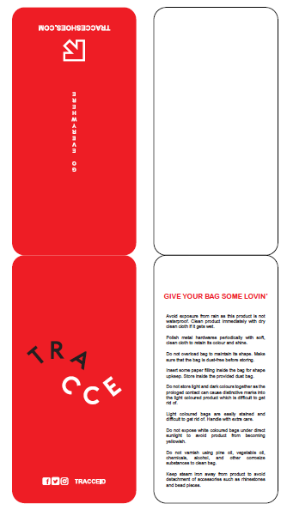
LOGO :
商标
TERM OF PAYMENT: | CREDIT

{_alejandro_}
CARTON MARK ：
( 箱标志 )

PICTURE ( 图片 ):
0

0 |  | - |  | -
PACKAGING 包装： |  |  |  |  |  |  | OTHER REMARKS:
 |  |  |  |  |  |  | 注意：
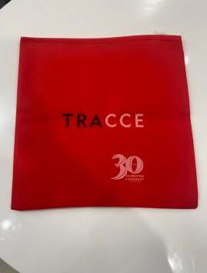
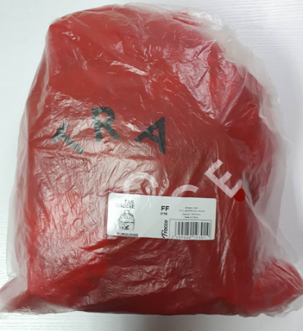

 |  |  |  |  |  |  | 1. Please give extra 10 straps for each color
 |  |  |  |  |  |  | 请配每个颜色多10件长肩带

 |  |  |  |  |  |  | 2. Please give extra zipper
 |  |  |  |  |  |  | 请给额外的拉链

请用LTA胶带封箱 。请看图片
 |  |  |  |  |  |  | 3. Please paste the QR code correctly
 |  |  |  |  |  |  | 请正确粘贴二维码

 |  |  |  |  |  |  | 4. Please paste the barcode correctly. No photocopying of barcode is allowed
 |  |  |  |  |  |  | 请正确粘贴条形码。不允许复印条形码

